Linear Regression & Holt
 | Demand | Forecast | S | G | Alpha | 0.2
0 |  |  | 102.73333333 | 6.1575757576 | Beta | 0.1
1 | 130 |  | 108.89090909 | 6.1575757576
2 | 92 |  | 115.04848485 | 6.1575757576
3 | 107 |  | 121.20606061 | 6.1575757576
4 | 149 |  | 127.36363636 | 6.1575757576
5 | 124 |  | 133.52121212 | 6.1575757576
6 | 139 |  | 139.67878788 | 6.1575757576
7 | 149 |  | 145.83636364 | 6.1575757576
8 | 151 |  | 151.99393939 | 6.1575757576
9 | 165 |  | 158.15151515 | 6.1575757576
10 | 160 |  | 163.44727273 | 6.0713939394
11 | 202 | 169.51866667 | 176.01493333 | 6.7210206061
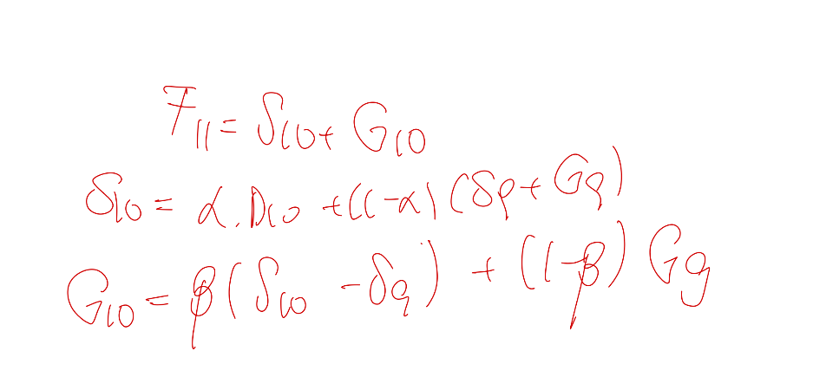
12 | 129 | 182.73595394 | 171.98876315 | 5.6463015273
13 | 192 | 177.63506468 | 180.50805174 | 5.9336002337
14 | 173 | 186.44165198 | 183.75332158 | 5.6647671942
15 | 179 | 189.41808878 | 187.33447102 | 5.4564054187
16 | 198 | 192.79087644 | 193.83270115 | 5.5605878899
17 | 202 | 199.39328904 | 199.91463123 | 5.612722109
18 | 214 | 205.52735334 | 207.22188267 | 5.7821750422
19 | 170 | 213.00405772 | 204.40324617 | 4.9220938879
20 | 208 | 209.32534006 | 209.06027205 | 4.8955870867
21 | 263 | 213.95585914 | 223.76468731 | 5.876469904
22 | 192 | 229.64115721 | 222.11292577 | 5.1236467597
23 | 277 | 227.23657253 | 237.18925802 | 6.1189153092
24 | 229 | 243.30817333 | 240.44653867 | 5.8327518425
25 | 237 | 246.27929051 | 244.42343241 | 5.6471660323
26 | 280 | 250.07059844 | 256.05647875 | 6.2457540635
27 | 283 | 262.30223281 | 266.44178625 | 6.6597094072
28 | 276 | 273.10149566 | 273.68119653 | 6.7176794941
29 | 311 | 280.39887602 | 286.51910082 | 7.3297019736
30 | 334 | 293.84880279 | 301.87904223 | 8.1327259178

Seasonal Data
Period | Demand Season 1 2022 | Demand Season 2 2023 | S | G | C | Forecast 2024
0 |  |  | 99.451388889 | 0.26388888889
1 | 37 | 55 |  |  |  | 48.283661358
2 | 69 | 82 |  |  |  | 79.383130347
3 | 65 | 59 |  |  |  | 65.325940078
4 | 67 | 79 |  |  |  | 76.73978071
5 | 81 | 90 |  |  |  | 89.912545747
6 | 84 | 90 |  |  |  | 91.505545811
7 | 108 | 95 |  |  |  | 106.91532167
8 | 115 | 106 |  |  |  | 116.33578661
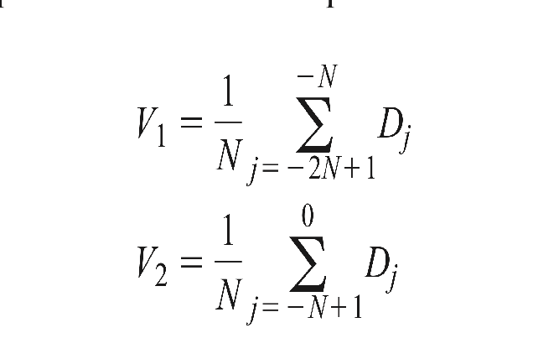
9 | 118 | 116 |  |  |  | 123.09841142
10 | 135 | 124 |  |  |  | 136.30763642
11 | 128 | 141 |  |  |  | 141.34385175
12 | 131 | 139 |  |  |  | 141.89458288

V1 | 94.833333333
V2 | 98
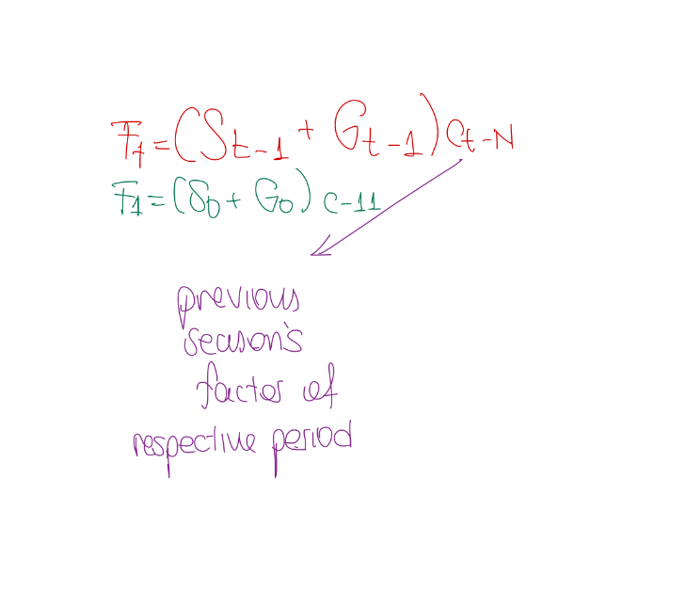
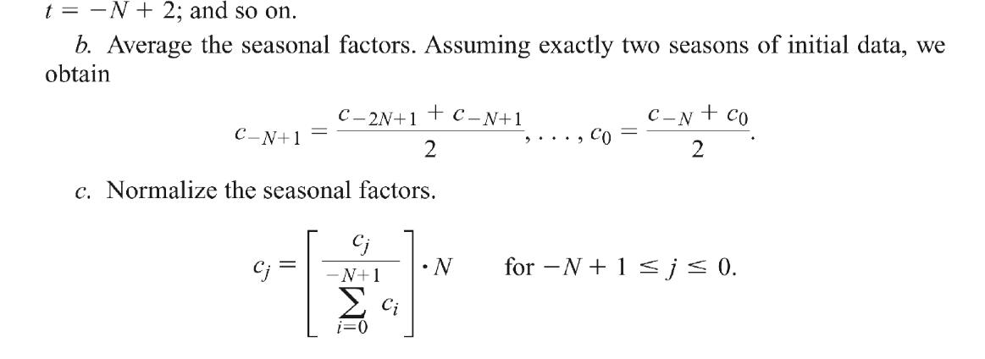
Period | C_t Season 1 | C_t Season 2 | Average | Normalized
0
1 | 0.3962222057 | 0.5696612242 | 0.48294171495 | 0.48421528209
2 | 0.73681868743 | 0.84699806327 | 0.79190837535 | 0.79399671946
3 | 0.69215410782 | 0.60776879605 | 0.64996145193 | 0.65167546736
4 | 0.71145195782 | 0.81158593137 | 0.76151894459 | 0.76352714864
5 | 0.85771012574 | 0.92209178228 | 0.88990095401 | 0.89224771467
6 | 0.88699860673 | 0.9196054779 | 0.90330204231 | 0.90568414302
7 | 1.1372577697 | 0.96808435355 | 1.0526710616 | 1.0554470638
8 | 1.2076132137 | 1.0772813889 | 1.1424473013 | 1.1454600528
9 | 1.2356919497 | 1.1757584289 | 1.2057251893 | 1.2089048111
10 | 1.4098194213 | 1.2534924535 | 1.3316559374 | 1.3351676515
11 | 1.3330440443 | 1.4215500945 | 1.3772970694 | 1.3809291439
12 | 1.3605481428 | 1.3976677606 | 1.3791079517 | 1.3827448017

 |  |  | 11.968437994 | 12

