Solver
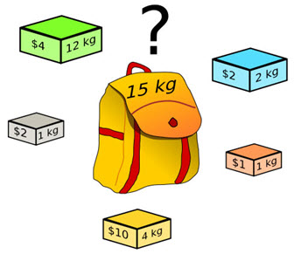
Knapsack Problem
What is the most profitable collection of items to put in the knapsack given the value and weight of the items and size of the knapsack?

weight | 12 | 2 | 1 | 1 | 4
value | 4 | 2 | 2 | 1 | 10
include

total weight |  | <= | 15

maximum value

VBA Exact
Knapsack Problem
What is the most profitable collection of items to put in the knapsack given the value and weight of the items and size of the knapsack?

weight | 12 | 2 | 1 | 1 | 4
value | 4 | 2 | 2 | 1 | 10
include

total weight |  | <= | 15

maximum value

More Generalized - Solver
Knapsack Problem
What is the most profitable collection of items to put in the knapsack given the value and weight of the items and size of the knapsack?

weight | 12 | 2 | 1 | 1 | 4
value | 4 | 2 | 2 | 1 | 10
available | 3 | 3 | 2 | 2 | 1
include

total weight |  | <= | 15

maximum value

More Generalized - VBA
Knapsack Problem
What is the most profitable collection of items to put in the knapsack given the value and weight of the items and size of the knapsack?

weight | 12 | 2 | 1 | 1 | 4
value | 4 | 2 | 2 | 1 | 10
available | 3 | 3 | 2 | 2 | 1
include

total weight |  | <= | 15

maximum value

VBA Heuristic
Knapsack Problem
What is the most profitable collection of items to put in the knapsack given the value and weight of the items and size of the knapsack?

weight | 12 | 2 | 1 | 1 | 4
value | 4 | 2 | 2 | 1 | 10
available | 3 | 3 | 2 | 2 | 1
include

total weight |  | <= | 15

maximum value

